1. Title Page
2023 Customer Analysis

Project Name: Instacart 2023 Customer Analysis
Date: 10 November 2023
Analyst Name: David M. Simpson

Contents:

Population Flow | Worksheet 2
Consistency checks | Worksheet 3
Wrangling steps | Worksheet 4
Column derivations | Worksheet 5
Visualizations: Hour and Day | Worksheet 6
Visualizations: Pricing and Products | Worksheet 7
Visualizations: Customers by Loyalty and Demographics | Worksheet 8
Visualizations: Customers by Region | Worksheet 9
Visualizations: Customers by Income | Worksheet 10
Visualizations: Customers by Age and Family | Worksheet 11
Visualizations: Customers by Profile | Worksheet 12
Recommendations | Worksheet 13
Data Citation | Worksheet 14

2. Population Flow
Title page

Population flow

Exclusion flag
Condition: max_order <
Obervations to be removed: # of orders <5
Final total count of ords_prods_customers_filtered: 22062606

merged_large
Ords_prods_merged
and ords_prods_merged2
ords_prods_customers
and ords_prods_customers_filtered

Total: 32434489
Total: 32434489
Total: 23050000

1.) The grey boxes in the first row of the population flow represent the original data sets as they were when you downloaded them. In the Total fields you need to add the count of the rows when you imported the data set into Jupyter.
2.) The second row of boxes (coloured) represents the data sets after you manipulated them, e.g., removed missing values and duplicates. In the Total fields you need to add the count of the rows after conducting these operations. This offers a visual oveview of how the data flows throughout the data consistency checks.
3.) The third row, where also the arrows are coloured, represents the merges you performed between the datasets. In the Total fields you need to add the count of the rows in the merged datasets, so that you end up with the final dataset (in the red box). Keep in mind the final dataset should be without exclusions (based on the exclusion flag).

3. Consistency checks
 |  |  |  | Title page
Consistency checks

Dataset | Missing values | Missing values treatment | Duplicates
orders | days_since_prior_order | Left in place: indicates new customer
products | product # 34, 116, & 1511 missing "product_name" | Left in place: other columns still useful
orders_products_prior
customers | First Name | Left in place: not necessary for identifying customer
df_ords_prods_customers |  |  | no duplicates

4. Wrangling steps
 |  |  |  | Title page
Wrangling steps

Columns dropped | Columns renamed | Columns' type changed | Comment/Reason
df_ords eval_set |  |  | Unnecessary for analysis
 | df_ords order_dow renamed orders_day_of_week |  | Unintuitive name
 |  | df_ords order_id changed from integer to string | Integer unnecessary for analysis
 |  | df_dep columns changed to rows | Change from wide data format to long
 | df_dep new columns renamed department_id and department |  | Clarify column contents
 |  | df_ords user_id changed from int to string | Integer unnecessary for analysis
 | df_ords orders_day_of_week renamed order_day_of_week |  | Removed unecessary 's'

 | df_ords_prods_customers Surnam renamed Surname |  | correct spelling
 | df_ords_prods_customers STATE renamed State |  | regularize capitalization
 | df_ords_prods_customers n_dependants renamed Number_dependants |  | clarify name
 | df_ords_prods_customers fam_status renamed family_status |  | clarify name

df_ords_prods_customers _merge |  |  | Unnecessary for analysis
 | busiest_day renamed busiest_days |  | clarify name

5. Column derivations
 |  |  |  | Title page

Column derivations and aggregations

In this tab you should add tables below that the frequences of flags/label variables that you produced after deriving them. NB: don't do this for continuous variables, only for flags.
Dataset | New column | Column/s it was derived from | Conditions
ords_prods_merged | price_range | Price_label | price <= 5 = 'Low-range product'
 |  |  | price > 5 and <= 15 = 'Mid-range product'
 |  |  | price > 15 = 'High range'

ords_prods | new_customer | days_since_prior_order | NaN = 1 (new customer)

ords_prods_merged | busiest_day | order_day_of_week | 0 = "Busiest day"
 |  |  | 4 = 'Least busy"
 |  |  | all others = "Regularly busy"

ords_prods_merged | busiest_period_of_day | order_hour_of_day | >=0 and <=7 = "Fewest orders"
 |  |  | >= 8 and <= 15 = "Most orders"
 |  |  | >= 16 and value <= 23 = "Average orders"

ords_prods_merged2 | max_order | user_id and order_number | # of orders placed by customer

ords_prods_merged2 | loyalty_flag | max_order | >40 = loyal_customer
 |  |  | <=40 and >10 = regular_customer
 |  |  | <=10 = new_customer

ords_prods_merged2 | Avg_price_paid | prices | mean per user_id

ords_prods_merged2 | Spending_flag | prices | <10 = low spender
 |  |  | >= 10 high spender

ords_prods_merged2 | Avg_days_since_order | days_since_prior_order | mean per user_id

ords_prods_merged2 | Frequency_flag | Avg_days_since_order | > 20 = non-frequent customer
 |  |  | > 10 and <= 20 = regular customer
 |  |  | < 10 = frequent customer

ords_prods_customers | Region | State | West Coast = CA, OR, WA, AK, HI
 |  |  | Mountain West = ID, MT, WY, NV, UT, CO, AZ, NM
 |  |  | Southeast = AL, GA, FL, SC, NC, VA
 |  |  | Plains = ND, SD, NE, KS, MN, IA, MS
 |  |  | North Central = WI, IL, MI, IN, OH, KY
 |  |  | South Central = TX, OK, AR, LA, MS, TN
 |  |  | Mid-Atlantic = MD, DC, DE, PA, NJ, NY, WV
 |  |  | New England = CT, RI, MA, VT, NH, ME

ords_prods_customers_filtered | Age_flag | Age | <=39 = Younger
 |  |  | >=40, <=60 = Middle Age
 |  |  | >=61 = Older

ords_prods_customers_filtered | Family_size_flag | Number_dependants | 0 = 'No chldren'
 |  |  | >=1, <=2 = 'Small family'
 |  |  | 3 = 'Large family'

ords_prods_customers_filtered | Income_flag | Income | <= 67839 = 'Lower income'
 |  |  | > 67839, <= 128073 = 'Middle income'
 |  |  | > 128073 = 'Upper income'

6. Visualizations Hour & Day
Visualisations: Hour and Day

In this tab you should include all the visualtions from Exercises 4.9 and 4.10, alongside the questions from the project brief that they answer. Include any commentary on the relationship between different variables.


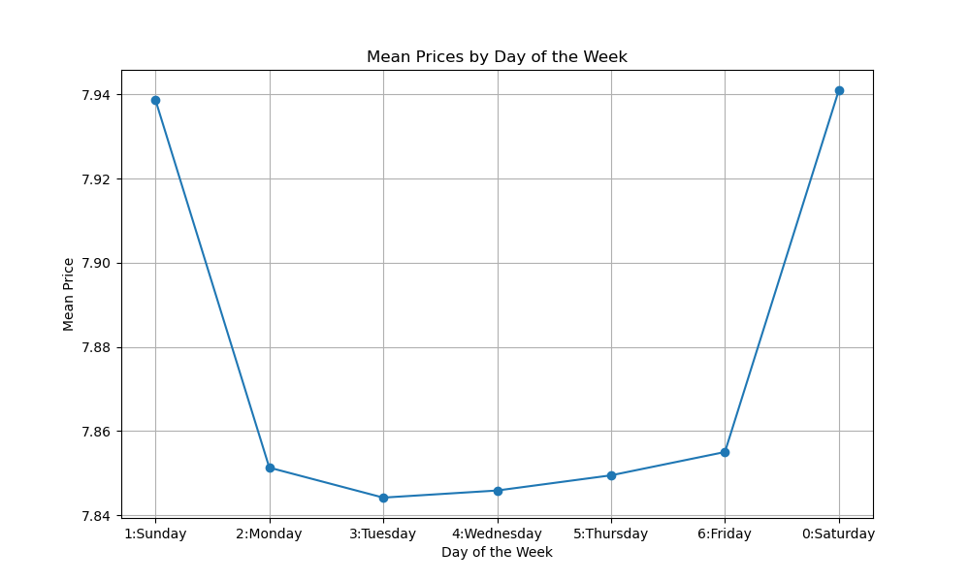
What are the busiest days of the week for orders?
 |  |  | Table 6B |  |  | Table 6C
Table 6A
Busiest days of the week for orders (sortable table)
Day of the week | # of orders | % of total
0 (Saturday) | 4518480 | 19.60%
1 (Sunday) | 4070890 | 17.66%
6 (Friday) | 3195608 | 13.86%
2 (Monday) | 2975836 | 12.91%
5 (Thursday) | 2952409 | 12.81%
3 (Tuesday) | 2689010 | 11.67%
4 (Wednesday) | 2647767 | 11.49%
Average | 3292857.1429 | 14.29%

Days of the week analysis: The busiest days of the week are the weekend days, Saturday and Sunday, followed by Friday. Tuesday and Wednesday have the lowest volume of orders. The difference between Saturday's orders and Wednesday's is significant. Midweek, therefore, is the best time to post ads to encourage purchases on those days to even out orders. Saturdays and Sundays also show a distinct pattern of the purchase of higher-priced goods. Ads could be placed on the weekends to further encourage the purchase of full-priced higher-end items, and/or offer specials on higher-priced items mid-week.

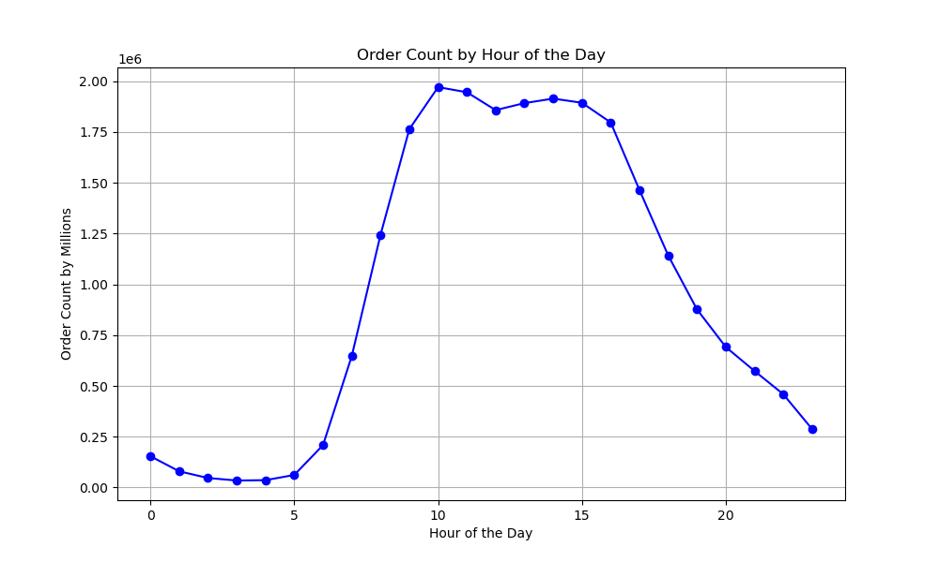
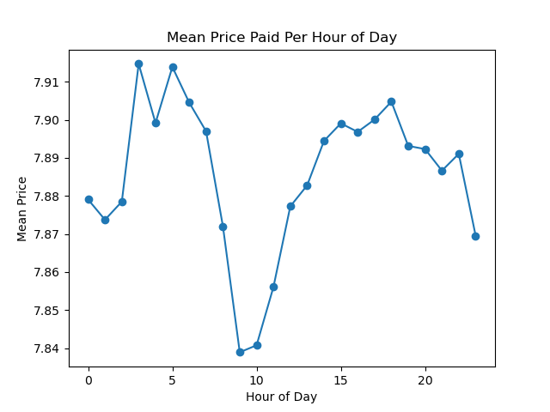
What are the busiest hours of the day for orders?
 |  |  | Table 6E |  | Table 6F
Table 6D
Busiest hours by number of orders (sortable table)
Hour | # of orders | % of total
10:00-10:59 | 288418 | 8.43%
11:00-11:59 | 284728 | 8.32%
15:00-15.59 | 283639 | 8.29%
14:00-14:59 | 283042 | 8.27%
13:00-13:59 | 277999 | 8.13%
12:00-12:59 | 272841 | 7.98%
16:00-16:59 | 272553 | 7.97%
09:00-09:59 | 257812 | 7.54%
17:00-17:59 | 228795 | 6.69%
18:00-18:59 | 182912 | 5.35%
08:00-08:59 | 178201 | 5.21%
19:00-19:59 | 140569 | 4.11%
20:00-20:59 | 104292 | 3.05%
07:00-07:59 | 91868 | 2.69%
21:00-21:59 | 78109 | 2.28%
22:00-22:59 | 61468 | 1.80%
23:00-23:59 | 40043 | 1.17% | Table 6G
06:00-06:59 | 30529 | 0.89% | Period of day | Percentage of sales by day
00:00 -00:59 | 22758 | 0.67% | Most busy: 7:00 to 15:59 | 62.85%
01:00-01:59 | 12398 | 0.36% | Medium busy: 16:00 to 23:59 | 31.65%
05:00-05:59 | 9569 | 0.28% | Least busy: 00:00 to 06:59 | 5.50%
02:00-02:59 | 7539 | 0.22%
04:00-04:59 | 5527 | 0.16%
Hour of the day analysis: Time of day also shows a distinct pattern, with mid-day (from 7:00 or 8:00 am to 4 pm receiving the most orders. The overnight hours, from 11:00 pm or midnight to 6 am receiving the fewest. Additional ads during the overnight hours might encourage more purchases then, although it's likely that purchase times correspond to daily patterns outside of Instacart's control. Interestingly, the very early morning hours (between 3:00 and 7:00 am) have the highest average price of products sold, although the difference between the highest-price hours and lowest (9:00 and 10:00 am) is slight.
03:00-03:59 | 5474 | 0.16%
Average | 142545.125

7. Pricing & Products
Visualisations: Pricing and Products

What are the price ranges of Instacart products?

 | Table 7A |  |  |  |  | Table 7B
 | Graph of all prices: |  |  |  |  | Simplified graph of prices:
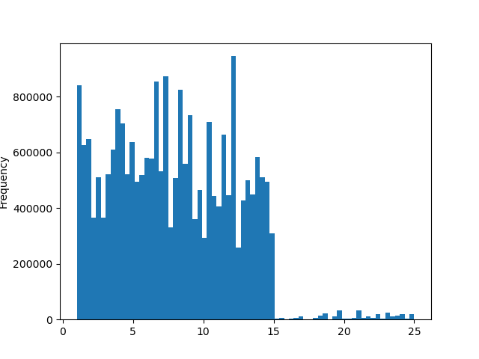

Table 7C
Product price ranges
Product price range | Product count | Price-range % |  | Definitions:
Mid-range product | 15778900 | 68.47% |  | Low-range product: | less than $5.00
Low-range product | 6969483 | 30.24% |  | Mid-range product: | from $5.00 to $15.00
High-range product | 297188 | 1.29% |  | High-range product: | over $15.00

Product prices: A majority of Instacart's products are mid-range in cost, from $5.00 to $15.00. There are relatively few products with prices over $15.00. The price labels are indeed complicated and could be simplified by pricing not at the ten cent interval as now, but by the half dollar (e.g., $4.00 and $4.50--or perhaps $3.99 and $4.49) or quarter dollar intervals. This would significantly simplify Instacart's pricing. Instacart may also consider offering more higher-priced items. Although these products are only a small part of Instacart's business at the present, certain days and times, as well as certain demographics, show tendencies toward the purchasing of higher-priced items.

Ranking of orders from different departments:

Most popular products: Instacart's most popular product departments are, in order: produce, dairy and eggs, beverages, snacks, and frozen foods. Purchases from these departments, as we will see, are remarkably consistent among all demographic and spending profiles.
The least popular products are from the pets, bulk, and alcohol departments. Instacart should consider either discontinuing those departments or boost their sales through advertising and/or special pricing. This may depend on how profitable these departments are.
Table 7D
Percentage of Orders by Department (sortable table)
Department Number | Department Name | % of Total Orders | % of Total Revenue
4 | produce | 39.16% | 28.33%
16 | dairy eggs | 18.96% | 41.17%
7 | beverages | 7.13% | 5.07%
19 | snacks | 6.72% | 2.71%
1 | frozen | 5.08% | 4.02%
Average |  | 22.13% | 16.26%
13 | pantry | 4.73% | 3.67%
3 | bakery | 3.02% | 2.14%
20 | deli | 2.89% | 2.15%
15 | canned goods | 2.75% | 1.94%
9 | dry goods pasta | 2.08% | 1.47%
12 | meat seafood | 2.08% | 3.39%
14 | breakfast | 1.62% | 1.25%
17 | household | 1.43% | 1.00%
18 | babies | 0.97% | 0.59%
6 | international | 0.50% | 0.38%
11 | personal care | 0.35% | 0.26%
5 | alcohol | 0.22% | 0.22%
21 | missing | 0.12% | 0.09%
10 | bulk | 0.12% | 0.08%
8 | pets | 0.04% | 0.04%
2 | other | 0.02% | 0.01%

8. Customers by Loyalty & Demo
Visualisations: Loyalty Status and Demographics

 |  |  |  |  | Table 8B

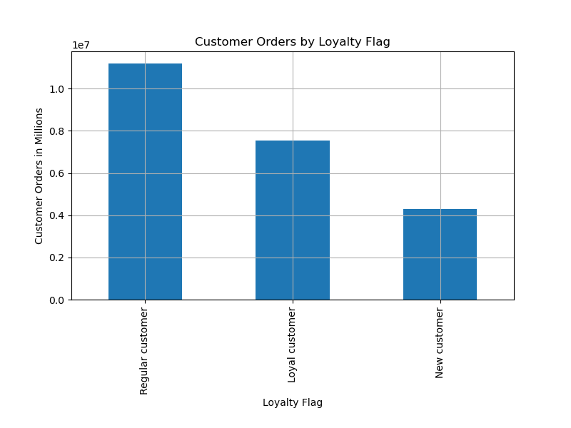
Customer orders by loyalty status:

Table 8A
Average prices paid by customer loyalty status (sortable table)
Loyalty flag | % of Total Customers | Avg Price Paid | Avg Total per Customer
Regular customer | 48.63% | $7.88 | $1,154.34
Loyal customer | 32.78% | $7.88 | $3,504.23
New customer | 18.59% | $7.87 | $300.24
Average | 33.33% | $7.88 | $1,652.93

Definitions:
Loyal customer: | More than 40 orders
Regular customer: | Between 11 and 40 orders
New customer: | Fewer than 11 orders

Customers by loyalty: Just under half of Instacart orders are from regular customers (between 11 and 40 orders), and loyal customers (more than 40 orders) make up almost one third. There is no significant differnce in the amount spent on an item, on average, among the different loyalty groups. However, loyal customers have a lifetime total amount spent of more than three times that of regular customers. Special programs, promotions, and pricing could be offered to loyal customers to keep them coming back.

Customer orders by demographics:

Purchases by demographic groups: There are only small differences in the amount spent by family status and age group, although married and middle-aged customers do spend very slightly more.
There is a much clearer separation of customer purchasing behavior by income group, however, with upper income customers buying more higher-priced items on average than either those in the lower- or middle-income groups. There are also significantly more high-spenders, not surprisingly, among the upper income group. Lifetime spending by middle- and upper-income groups is very similar, however.
While it is likely difficult to specifically target upper-income customers for ethical and privacy reasons, it is possible to increase the availability of the higher-end products that they are more likely to buy.
Table 8C
Customers by Family Status without Low-Activity Customers (sortable table)
Family status | % of Total Customers | Avg. Price Paid | Avg. Total per Customer | % High Spenders
Single | 16.48% | $10.19 | $19,604.86 | 1.93%
Married | 70.19% | $10.70 | $19,413.27 | 1.99%
Living with parents and siblings | 4.78% | $10.24 | $20,218.05 | 1.88%
Divorced/widowed | 8.55% | $10.91 | $19,837.27 | 1.86%
Average | 25.00% | $10.51 | $19,768.36 | 1.92%

Table 8D
Customers by Age Group without Low-Activity Customers (sortable table)
Age Group | % of Total Customers | Avg. Price Paid | Avg. Total per Customer | % High Spenders
Younger (<40) | 34.48% | $10.56 | $19,720.05 | 1.91%
Middle Age (40-60) | 32.87% | $10.63 | $19,403.08 | 2.01%
Older (>60) | 32.65% | $10.66 | $19,424.82 | 1.98%
Average | 33.33% | $10.62 | $19,515.99 | 1.97%

Table 8E
Customers by Income Group without Low-Activity Customers (sortable table)
Income group | % of Total Customers | Avg. Price Paid | Avg. Total per Customer | % High Spenders
Lower Income | 24.99% | $7.43 | $15,082.56 | 0.57%
Middle Income | 50.00% | $8.86 | $21,531.30 | 1.23%
Upper Income | 25.01% | $17.31 | $21,217.01 | 4.83%
Average | 33.33% | $11.20 | $19,276.95 | 2.21%

9. Customers by Region
Visualisations: Customers by U.S. Region

Customers by U.S. Region:

Table 9A
Region definitions:
Region | States
Mid-Atlantic | Delaware | District of Columbia | Maryland | New Jersey | New York | Pennsylvania | West Virginia
Mountain West | Arizona | Colorado | Idaho | Montana | Nevada | New Mexico | Utah | Wyoming
New England | Connecticut | Maine | Massachusetts | New Hampshire | Rhode Island | Vermont
North Central | Illinois | Indiana | Kentucky | Michigan | Ohio | Wisconsin
Plains | Iowa | Kansas | Minnesota | Missouri | Nebraska | North Dakota | South Dakota
South Central | Arkansas | Louisiana | Mississippi | Oklahoma | Tennessee | Texas
Southeast | Alabama | Florida | Georgia | North Carolina | South Carolina | Virginia
West Coast | Alaska | California | Hawaii | Oregon | Washington

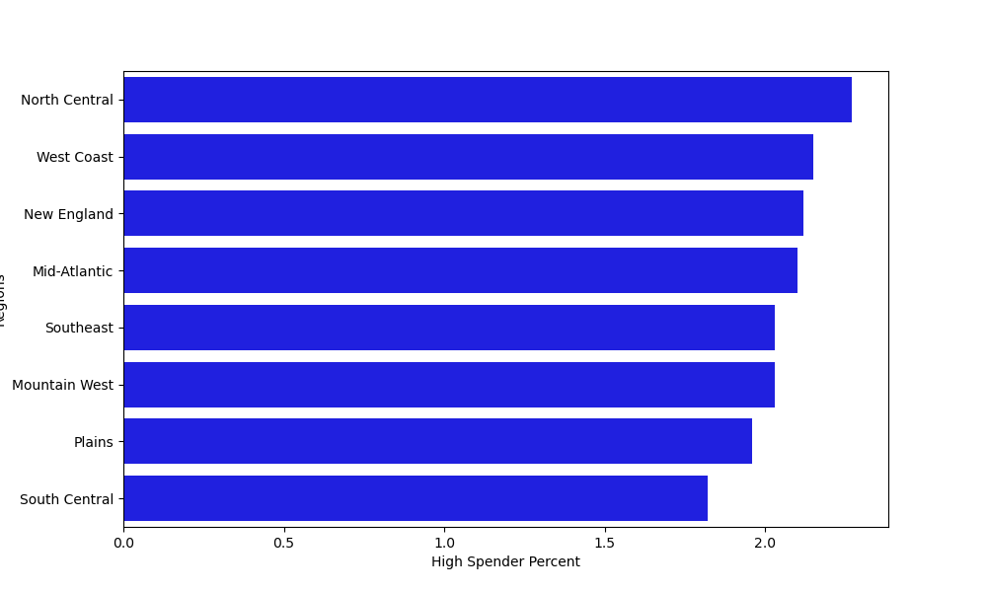
Table 9B |  |  |  |  |  |  | Table 9C
Customer statistics by Region (sortable table) |  |  |  |  |  |  | High Spender Percentage by Region
Region | # Customers per Region | % Total Customers | Avg. Price Paid | Avg. Total per Customer | High Spender %
Mid-Atlantic | 3134888 | 13.60% | $10.93 | $19,187.62 | 2.08%
Southeast | 2742391 | 11.90% | $10.90 | $19,972.25 | 2.01%
North Central | 2686613 | 11.66% | $10.71 | $18,845.94 | 2.25%
New England | 2696497 | 11.70% | $10.65 | $19,593.16 | 2.11%
Plains | 3159639 | 13.71% | $10.57 | $19,290.01 | 1.94%
Mountain West | 3612368 | 15.67% | $10.55 | $19,576.75 | 2.01%
West Coast | 2295370 | 9.96% | $10.46 | $20,130.28 | 2.13%
South Central | 2717805 | 11.79% | $10.11 | $19,729.79 | 1.80%

Customers by Region: There are no consistent differences among regions in spending habits on Instacart. Average price paid is highest in the Mid-Atlantic region, total expenditure per customer is highest on the West Coast, and the highest percentage of high-spending customers is in the North Central region. The difference between the highest and lowest ranking regions on these metrics is slight.
Note: Since these are sample statistics rather than actual ones, real world metrics would almost certainly be different. For example, there are nearly the same number of customers in each state, no matter what the state's population. In real world statistics, the number of customers per state would more nearly match their share of the entire population.

10. Customers by Income
Visualisations: Customers by Income Range

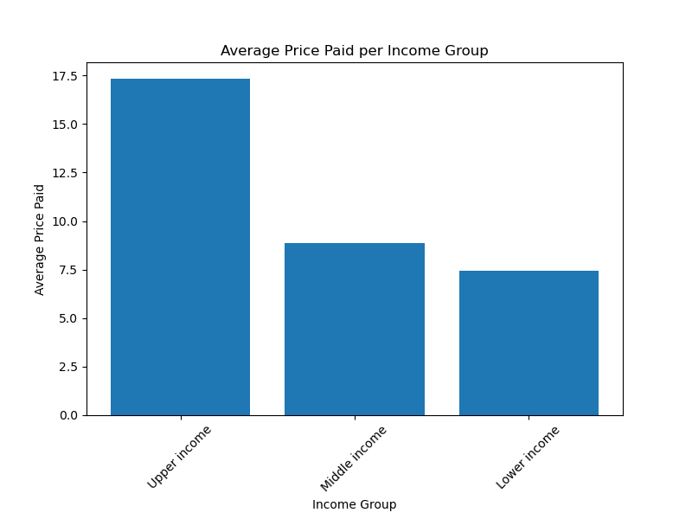
Table 10A
Customers by Income Range (sortable table) |  |  |  |  |  | Table 10B
Income range | Number of Customers | % of Customers | Avg Price Paid | High Spender % | Avg Total Amount Paid
Upper income | 5511926 | 24.99% | $17.31 | 4.83% | $21,217.01
Middle income | 11030066 | 50.00% | $8.86 | 1.23% | $21,531.30
Lower income | 5516394 | 25.01% | $7.43 | 0.57% | $15,082.56

Definitions:
Lower Income: | Bottom 25 % (<=$67,839)
Middle Income: | Middle 50% ($67,840-$128,073)
Upper Income: | Top 25% (>$128,073)

11. Customers by Age & Family
Visualisations: Customers by Age and Family Profiles

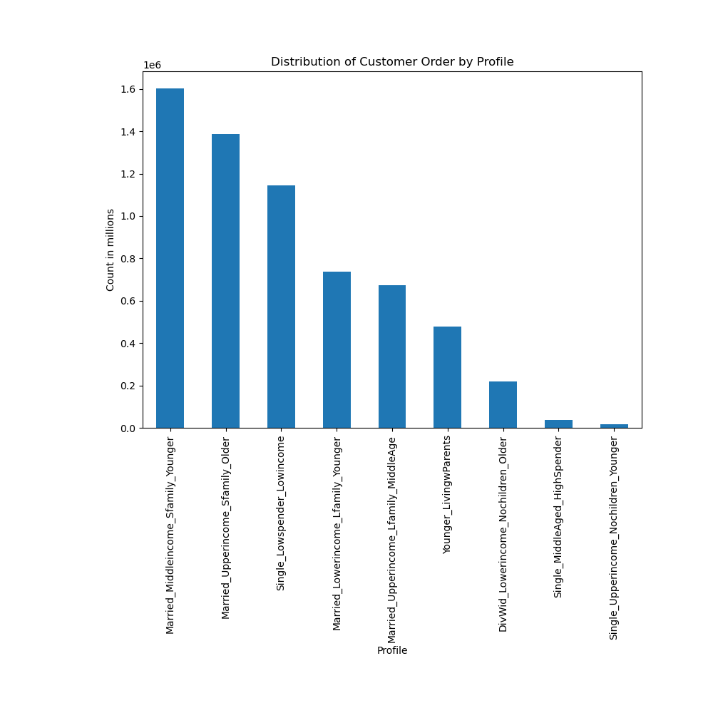
Table 11A |  |  |  |  | Table 11B
Demographic Profiles (sortable table)
Profile Name | Code | Numbers | % of All Customers | % of Profiles
Young Family | Married_Middleincome_Sfamily_Younger | 1603290 | 7.27% | 25.46%
Affluent Small Family | Married_Upperincome_Sfamily_Older | 1386644 | 6.29% | 22.02%
Constrained Single | Single_Lowspender_Lowincome | 1145548 | 5.19% | 18.19%
Constrained Large Family | Married_Lowerincome_Lfamily_Younger | 736908 | 3.34% | 11.70%
Affluent Large Family | Married_Upperincome_Lfamily_MiddleAge | 674319 | 3.06% | 10.71%
Young Dependant | Younger_LivingwParents | 478752 | 2.17% | 7.60%
Lower-Income Divorced/Widowed | DivWid_Lowerincome_Nochildren_Older | 219866 | 1.00% | 3.49%
High-Spending Single | Single_MiddleAged_HighSpender | 35817 | 0.16% | 0.57%
Affluent Young Single | Single_Upperincome_Nochildren_Younger | 16809 | 0.08% | 0.27%
All Others |  | 15760433 | 71.45%

Table 11C
Purchase Frequency:Average Days Since Last Order (sortable table)
Profile Name | Code | Minimum | Maximum | Average
Affluent Young Single | Single_Upperincome_Nochildren_Younger | 3.22 | 28.58 | 10.19
High-Spending Single | Single_MiddleAged_HighSpender | 0.67 | 30.00 | 10.64
Affluent Small Family | Married_Upperincome_Sfamily_Older | 0.26 | 30.00 | 10.76
Constrained Large Family | Married_Lowerincome_Lfamily_Younger | 0.61 | 30.00 | 10.87
Young Family | Married_Middleincome_Sfamily_Younger | 0.83 | 30.00 | 10.87
Affluent Large Family | Married_Upperincome_Lfamily_MiddleAge | 1.60 | 30.00 | 10.91
Young Dependant | Younger_LivingwParents | 0.95 | 30.00 | 11.00
Constrained Single | Single_Lowspender_Lowincome | 0.00 | 30.00 | 11.03
Lower-Income Divorced/Widowed | DivWid_Lowerincome_Nochildren_Older | 0.00 | 30.00 | 11.24

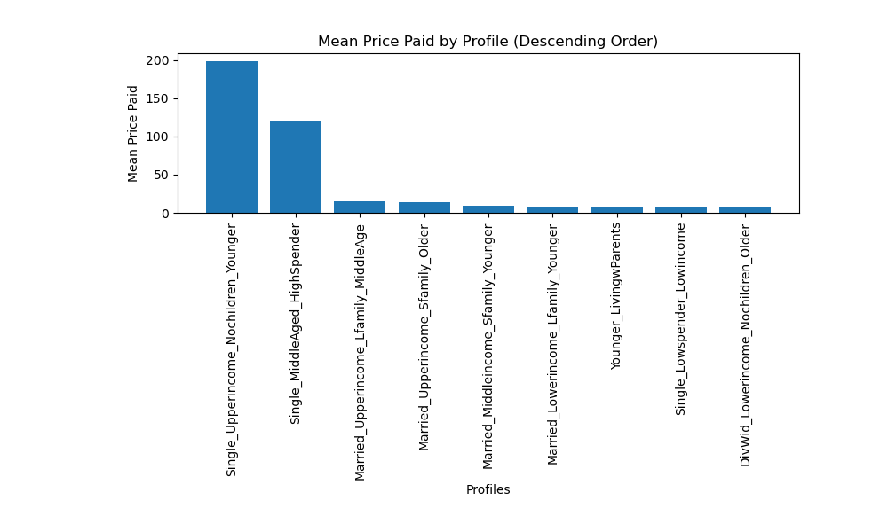
Table 11D
Average Price Paid per Profile (sortable table) |  |  |  |  | Table 11E
Profile Name | Code | Minimum | Maximum | Average Price Paid
Affluent Young Single | Single_Upperincome_Nochildren_Younger | $5.59 | $3,391.57 | $199.14
High-Spending Single | Single_MiddleAged_HighSpender | $10.00 | $4,262.07 | $120.51
Affluent Large Family | Married_Upperincome_Lfamily_MiddleAge | $2.75 | $1,870.33 | $15.17
Affluent Small Family | Married_Upperincome_Sfamily_Older | $2.70 | $2,985.33 | $14.28
Young Family | Married_Middleincome_Sfamily_Younger | $2.35 | $1,646.93 | $9.40
Constrained Large Family | Married_Lowerincome_Lfamily_Younger | $1.75 | $25.57 | $7.73
Young Dependant | Younger_LivingwParents | $2.00 | $16.29 | $7.69
Constrained Single | Single_Lowspender_Lowincome | $1.00 | $10.00 | $7.52
Lower-Income Divorced/Widowed | DivWid_Lowerincome_Nochildren_Older | $1.00 | $14.10 | $6.86

Customer profiles: Our demographic data allows us to group Instacart customers by age, income, marital status, spending habits, and location. By combining these different categores we can get a very granular understanding of how different customer profiles behave in their purchasing. As we have seen, location has little effect on customer behavior. These profiles show some examples of how the other demographic data affects purchasing behavior. Age does show some impact on buying habits, with the middle-age groups spending slightly more than those older and younger. Marital status has little average effect, although affluent singles do spend significantly more than average, and lower-income singles spend less than average. Married customers, no matter their income, tend to group around the average. As noted earlier, income shows the clearest differentiation in average spending and overall lifetime spending. Customers in the Affluent Young Single and High-Spending (Middle Age) Single profiles show by far the greatest variation in their spending habits, spending far more than other customers, even more than affluent families.
Note: These profiles are not exhaustive--there could be dozens of potential profiles with different demographic combinations--but are representative of the possibilities of grouping customers into demographic groups.

12. Customers by Profile
Visualisations: Customers by Profile

Customer profiles: A closer look at the nine representative profiles show that the purchasing behavior of all demographic groups is very similar. In all but one of the profiles, the departments with the highest number of purchases are the same, with only Affluent Young Singles showing some very slight variation. The bottom-selling departments are equally similar. As we've seen, customer region has little effect on customer behavior; location data shows only slight variations from average for each of the profiles. Loyalty status is also similar among the profiles, although high-income customers are more likely to be loyal customers, especially single affluent customers. Affluent single customers are also much more likely to purchase higher-priced items, although these items represent only a small percentage of overall sales. It's important to note that, although high-income customers do spend noticeably more per person than other customers, by far the greatest amount of products are purchsed by middle-income customers, and lower-income customers, as a whole, still have significant purchasing power.

1. Young Family: Married_Middleincome_Sfamily_Younger

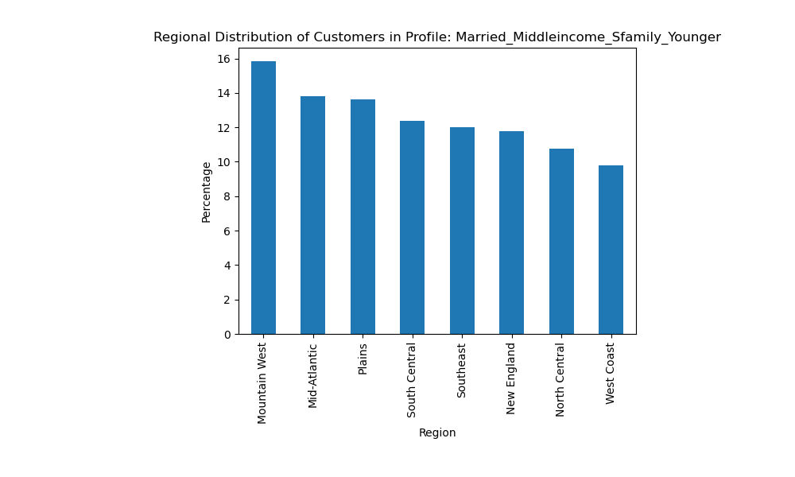
 |  | Table 12B
 | Table 12A | Five departments with largest # of orders: |  |  |  | Loyalty Status for Young Family:
 |  | Dept. # | Dept. Name | # of Orders | % of Orders | Regular customer | 51.84%
 |  | 4 | Produce | 627677 | 39.15% | Loyal customer | 33.91%
 |  | 16 | Dairy/Eggs | 303540 | 18.93% | New customer | 14.25%
 |  | 7 | Beverages | 103898 | 6.48%
 |  | 19 | Snacks | 93272 | 5.82%
 |  | 1 | Frozen | 89339 | 5.57% | Price Range of Purchases for Young Family:
 |  |  |  |  |  | Mid-range product | 69.86%
 |  | Table 12C |  |  |  | Low-range product | 28.75%
 |  | Five departments with smallest # of orders: |  |  |  | High-range product | 1.39%
 |  | Dept. # | Dept. Name | # of Orders | % of Orders
 |  | 5 | Alcohol | 3544 | 0.22%
 |  | 10 | Bulk | 1659 | 0.10%
 |  | 21 | Missing | 1440 | 0.09%
 |  | 8 | Pets | 836 | 0.05%
 |  | 2 | Other | 285 | 0.02%

2. Affluent Small Family: Married_Upperincome_Sfamily_Older

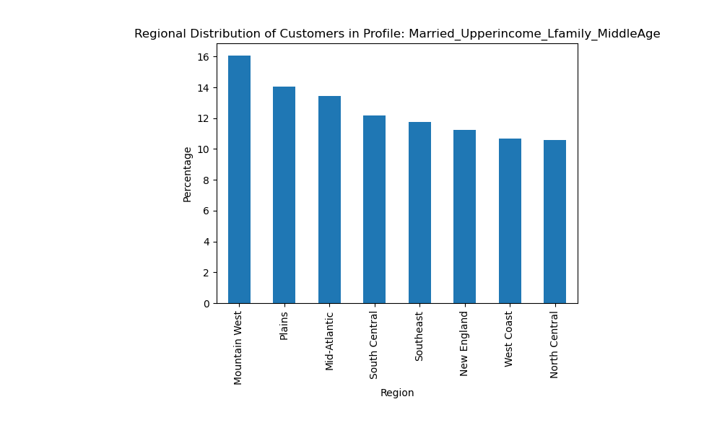
 | Table 12D | Table 12E
 |  | Five departments with largest # of orders: |  |  |  | Loyalty Status for Affluent Small Family:
 |  | Dept. # | Dept. Name | # of Orders | % of Orders | Regular customer | 50.66%
 |  | 4 | Produce | 535107 | 38.59% | Loyal customer | 34.86%
 |  | 16 | Dairy/Eggs | 259490 | 18.71% | New customer | 14.48%
 |  | 7 | Beverages | 95646 | 6.90%
 |  | 19 | Snacks | 79860 | 5.76%
 |  | 1 | Frozen | 77463 | 5.59% | Price Range of Purchaess for Affluent Small Family:
 |  |  |  |  |  | Mid-range product | 69.88%
 |  | Table 12F |  |  |  | Low-range product | 28.70%
 |  | Five departments with smallest # of orders: |  |  |  | High-range product | 1.42%
 |  | Dept. # | Dept. Name | # of Orders | % of Orders
 |  | 5 | Alcohol | 3492 | 0.25%
 |  | 10 | Bulk | 1369 | 0.10%
 |  | 21 | Missing | 1227 | 0.09%
 |  | 8 | Pets | 627 | 0.05%
 |  | 2 | Other | 320 | 0.02%

3. Constrained Single: Single_Lowspender_Lowincome

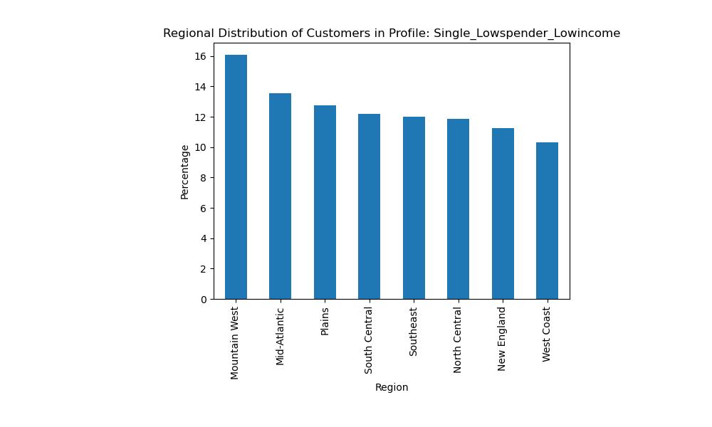
 | Table 12G | Table 12H
 |  | Five departments with largest # of orders: |  |  |  | Loyalty Status for Constrained Single:
 |  | Dept. # | Dept. Name | # of Orders | % of Orders | Regular customer | 49.70%
 |  | 4 | Produce | 424008 | 37.01% | Loyal customer | 34.00%
 |  | 16 | Dairy/Eggs | 204930 | 17.89% | New customer | 16.30%
 |  | 19 | Snacks | 101566 | 8.87%
 |  | 7 | Beverages | 93741 | 8.18%
 |  | 1 | Frozen | 60637 | 5.39% | Price Range of Purchaess for Constrained Single:
 |  |  |  |  |  | Mid-range product | 65.37%
 |  | Table 12I |  |  |  | Low-range product | 33.65%
 |  | Five departments with smallest # of orders: |  |  |  | High-range product | 0.98%
 |  | Dept. # | Dept. Name | # of Orders | % of Orders
 |  | 5 | Alcohol | 2561 | 0.22%
 |  | 10 | Bulk | 1279 | 0.11%
 |  | 21 | Missing | 923 | 0.08%
 |  | 8 | Pets | 436 | 0.04%
 |  | 2 | Other | 234 | 0.02%

4. Constrained Large Family: Married_Lowerincome_Lfamily_Younger

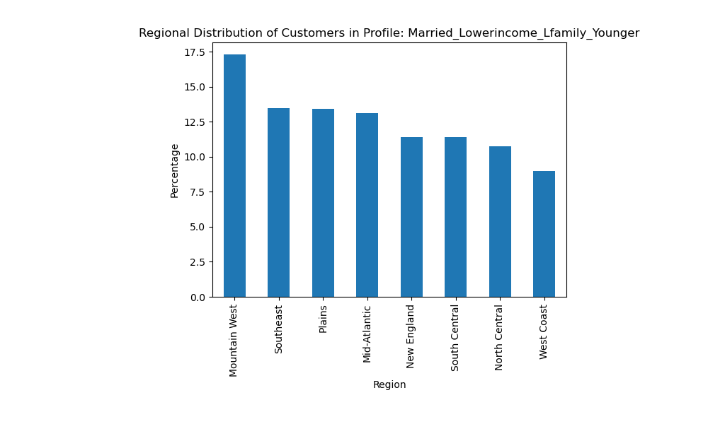
 | Table 12J | Table 12K
 |  | Five departments with largest # of orders: |  |  |  | Loyalty Status for Constrained Large Family:
 |  | Dept. # | Dept. Name | # of Orders | % of Orders | Regular customer | 50.86%
 |  | 4 | Produce | 279310 | 37.90% | Loyal customer | 34.09%
 |  | 16 | Dairy/Eggs | 133111 | 18.06% | New customer | 15.05%
 |  | 19 | Snacks | 58948 | 8.00%
 |  | 7 | Bevverages | 55831 | 7.58%
 |  | 1 | Frozen | 40675 | 5.52% | Price Range of Purchaess for Constrained Large Family:
 |  |  |  |  |  | Mid-range product | 67.03%
 |  | Table 12L |  |  |  | Low-range product | 31.79%
 |  | Five departments with smallest # of orders: |  |  |  | High-range product | 1.19%
 |  | Dept. # | Dept. Name | # of Orders | % of Orders
 |  | 5 | Alcohol | 1482 | 0.20%
 |  | 10 | Bulk | 874 | 0.12%
 |  | 21 | Missing | 635 | 0.09%
 |  | 8 | Pets | 306 | 0.04%
 |  | 2 | Other | 192 | 0.03%

5. Affluent Large Family: Married_Upperincome_Lfamily_MiddleAge

 | Table 12M | Table 12N
 |  | Five departments with largest # of orders: |  |  |  | Loyalty Status for Affluent Large Family:
 |  | Dept. # | Dept. Name | # of Orders | % of Orders | Regular customer | 52.15%
 |  | 4 | Produce | 263833 | 39.13% | Loyal customer | 33.68%
 |  | 16 | Dairy/Eggs | 124611 | 18.48% | New customer | 14.17%
 |  | 7 | Beverages | 44445 | 6.59%
 |  | 19 | Snacks | 39334 | 5.83%
 |  | 1 | Frozen | 36696 | 5.44% | Price Range of Purchases for Affluent Large Family:
 |  |  |  |  |  | Mid-range product | 69.64%
 |  | Table 12O |  |  |  | Low-range product | 28.93%
 |  | Five departments with smallest # of orders: |  |  |  | High-range product | 1.43%
 |  | Dept. # | Dept. Name | # of Orders | % of Orders
 |  | 5 | Alcohol | 2038 | 0.30%
 |  | 21 | Missing | 681 | 0.10%
 |  | 10 | Bulk | 572 | 0.08%
 |  | 8 | Pets | 471 | 0.07%
 |  | 2 | Other | 192 | 0.03%

6. Young Dependant: Younger_LivingwParents profile
 |  | Table 12Q
 | Table 12P | Five departments with largest # of orders: |  |  |  | Loyalty Status for Young Dependant:
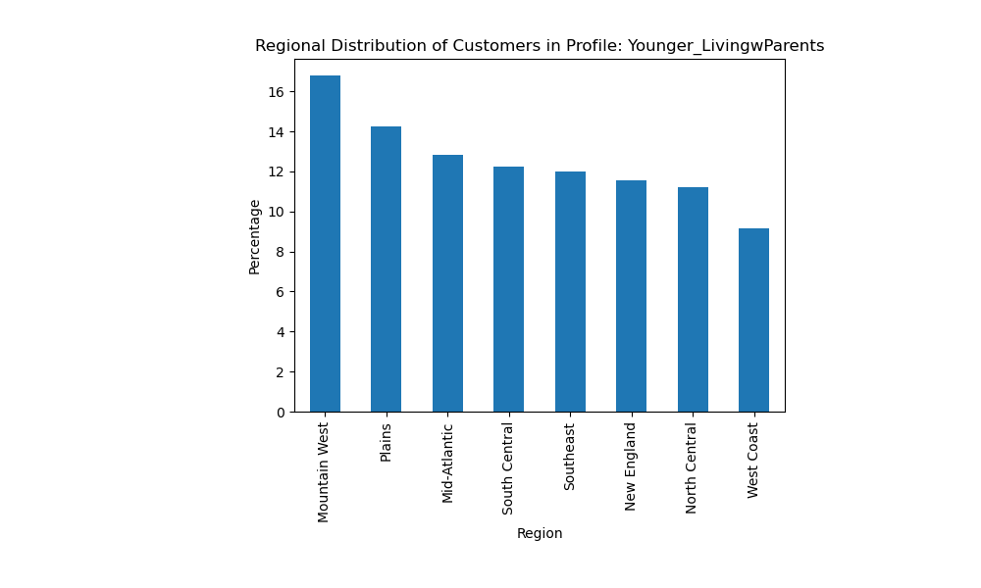
 |  | Dept. # | Dept. Name | # of Orders | % of Orders | Regular customer | 51.69%
 |  | 4 | Produce | 176223 | 36.81% | Loyal customer | 32.85%
 |  | 16 | Dairy/Eggs | 87423 | 18.26% | New customer | 15.47%
 |  | 19 | Snacks | 37994 | 7.94%
 |  | 7 | Beverages | 36414 | 7.61%
 |  | 1 | Frozen | 27302 | 5.70% | Price Range of Purchaess for Young Dependant:
 |  |  |  |  |  | Mid-range product | 66.83%
 |  | Table 12R |  |  |  | Low-range product | 32.01%
 |  | Five departments with smallest # of orders: |  |  |  | High-range product | 1.16%
 |  | Dept. # | Dept. Name | # of Orders | % of Orders
 |  | 5 | Alcohol | 1348 | 0.28%
 |  | 10 | Bulk | 536 | 0.11%
 |  | 21 | Missing | 470 | 0.10%
 |  | 8 | Pets | 331 | 0.07%
 |  | 2 | Other | 110 | 0.02%

7. Lower-Income Divorced/Widowed: DivWid Lowerincome Nochildren Older

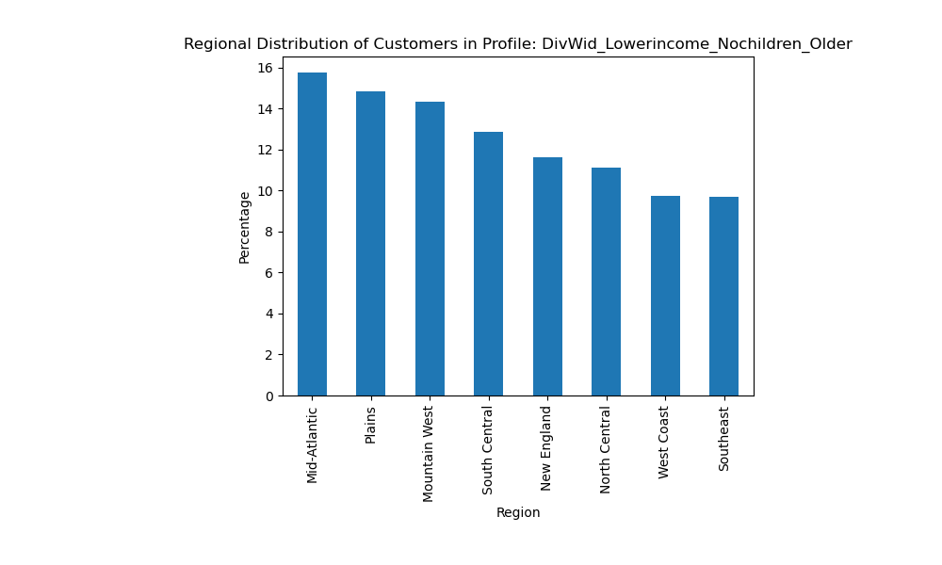
 | Table 12S | Table 12T
 |  | Five departments with largest # of orders: |  |  |  | Loyalty Status for Lower-Income Divorced/Widowed:
 |  | Dept. # | Dept. Name | # of Orders | % of Orders | Regular customer | 49.87%
 |  | 4 | Produce | 72836 | 33.13% | Loyal customer | 31.76%
 |  | 16 | Dairy/Eggs | 37610 | 17.11% | New customer | 18.37%
 |  | 19 | Snacks | 27786 | 12.64%
 |  | 7 | Beverages | 23588 | 10.73%
 |  | 1 | Frozen | 11940 | 5.43% | Price Range of Purchaess for Lower-Income Divorced/Widowed:
 |  |  |  |  |  | Mid-range product | 59.41%
 |  | Table 12U |  |  |  | Low-range product | 40.07%
 |  | Five departments with smallest # of orders: |  |  |  | High-range product | 0.52%
 |  | Dept. # | Dept. Name | # of Orders | % of Orders
 |  | 5 | Alcohol | 485 | 0.22%
 |  | 10 | Bulk | 270 | 0.12%
 |  | 21 | Missing | 190 | 0.09%
 |  | 8 | Pets | 75 | 0.03%
 |  | 2 | Other | 31 | 0.01%

8. High-Spending Single: Single_MiddleAged_HighSpender profile

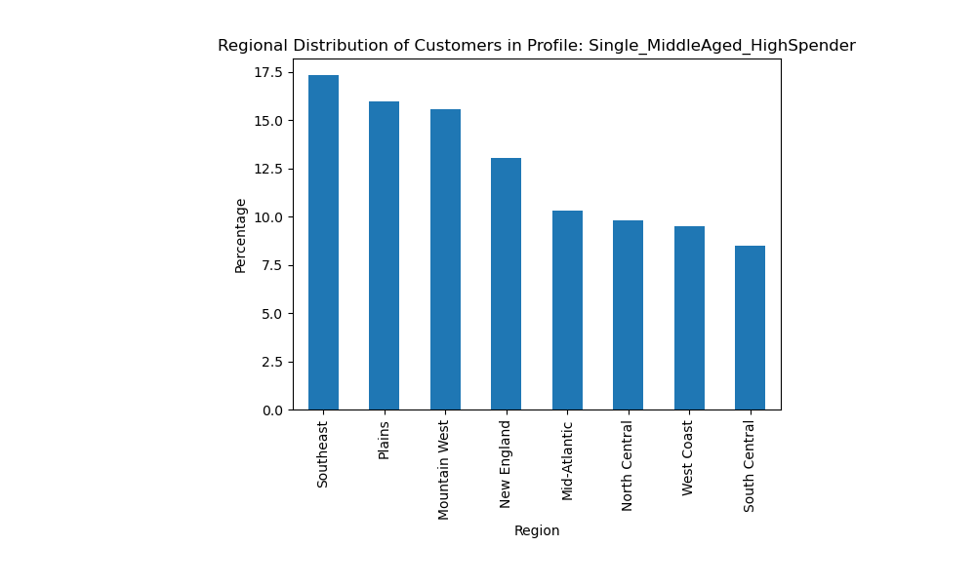
 | Table 12V | Table 12W
 |  | Five departments with largest # of orders: |  |  |  | Loyalty Status for High-Spending Single:
 |  | Dept. # | Dept. Name | # of Orders | % of Orders | Regular customer | 48.83%
 |  | 4 | Produce | 11056 | 30.87% | Loyal customer | 35.34%
 |  | 16 | Dairy/Eggs | 7969 | 22.25% | New customer | 15.83%
 |  | 7 | Beverages | 3042 | 8.49%
 |  | 1 | Frozen | 2088 | 5.83%
 |  | 19 | Snacks | 1898 | 5.30% | Price Range of Purchaess for High-Spending Single:
 |  |  |  |  |  | Mid-range product | 74.78%
 |  | Table 12X |  |  |  | Low-range product | 22.14%
 |  | Five departments with smallest # of orders: |  |  |  | High-range product | 3.08%
 |  | Dept. # | Dept. Name | # of Orders | % of Orders
 |  | 11 | Personal Care | 169 | 0.47%
 |  | 8 | Pets | 44 | 0.12%
 |  | 2 | Other | 35 | 0.10%
 |  | 21 | Missing | 21 | 0.06%
 |  | 10 | Bulk | 7 | 0.02%

9. Affluent Young Single: Single_Upperincome_Nochildren_Younger

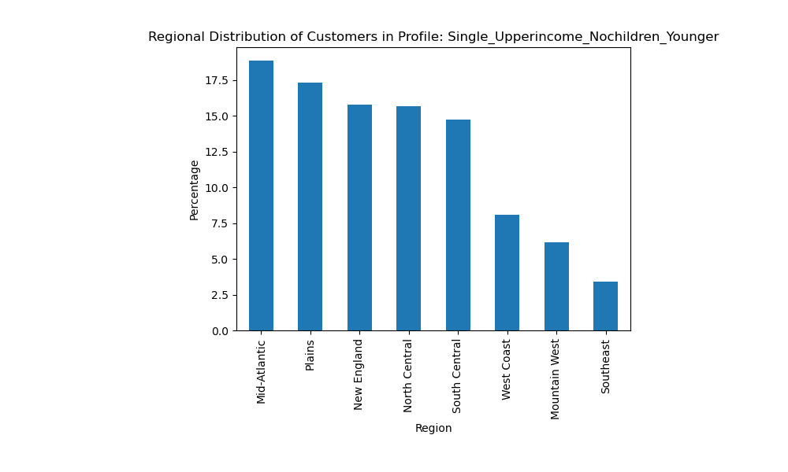
 | Table 12Y | Table 12Z
 |  | Five departments with largest # of orders: |  |  |  | Loyalty Status for Affluent Young Single:
 |  | Dept. # | Dept. Name | # of Orders | % of Orders | Regular customer | 45.17%
 |  | 4 | Produce | 5330 | 31.71% | Loyal customer | 43.38%
 |  | 16 | Dairy/Eggs | 3165 | 18.83% | New customer | 11.46%
 |  | 7 | Beverages | 1482 | 8.82%
 |  | 3 | Bakery | 916 | 5.45%
 |  | 13 | Pantry | 915 | 5.44% | Price Range of Purchaess for Affluent Young Single:
 |  |  |  |  |  | Mid-range product | 69.46%
 |  | Table 12AA |  |  |  | Low-range product | 29.43%
 |  | Five departments with smallest # of orders: |  |  |  | High-range product | 1.11%
 |  | Dept. # | Dept. Name | # of Orders | % of Orders
 |  | 11 | Personal Care | 63 | 0.37%
 |  | 2 | Other | 14 | 0.08%
 |  | 8 | Pets | 14 | 0.08%
 |  | 21 | Missing | 4 | 0.02%
 |  | 10 | Bulk | 3 | 0.02%

13. Recommendations
 |  | Title page

Recommendations

In this tab you should include any recommendations you would made to Instcart in terms of their marketing strategy based on the questions posed in the brief. Every key question has been covered in the Tasks of the Exercises - here you need to add an item - a visualisation or table/crosstable that is showing the answer in the data, acompanied by a comment from you. Please, list the questions below and add the answer underneath.

Key Questions:

Key Question 1: What are the busiest days of the week?

Answer: Instacart's busiest days are Saturday and Sunday, followed by Friday. The least busy days are mid-week, especially Tuesday and Wednesday. Additional ads could be run mid-week to encourage more purchases on those days. Saturdays and Sundays also have a higher-than-average price of purchases, so full-priced purchases of higher-end items could be further encouraged on those days.

Key Question 2: What are the busiest hours of the day?

Answer: The busiest hours of the day are from mid-morning until mid-afternoon, from 7:00 or 8:00 am to 4:00 pm. The overnight hours, from 11:00 pm until 6:00 am are the least busy. However those same overnight hours also have some of the highest average purchase prices. The late afternoon and evening hours, from 5:00 pm to 11:00 pm, have an average number of orders. Orders during the overnight hours could be encouraged by additional ads, and/or special pricing. However, since orders follow most people's typical daily activity, the ability to shift orders to the least-busy times of day may be limited.

Key Question 3: Could pricing structure be made simpler?

Answer: A majority of Instacart's products are mid-range in cost, from $5.00 to $15.00. There are relatively few products with prices over $15.00. The price labels are indeed complicated and could be simplified by pricing not at the ten cent interval as now, but by the half dollar (e.g., $4.00 and $4.50--or perhaps $3.99 and $4.49) or quarter dollar intervals. This would significantly simplify Instacart's pricing. Instacart may also consider offering more higher-priced items. Although these products are only a small part of Instacart's business at the present, certain days and times, as well as certain demographics, show tendencies toward the purchasing of higher-priced items.

Key Question 4: What are Instacart's most popular items? | See Table 7D

Answer: Instacart's most popular product departments are, in order: produce, dairy and eggs, beverages, snacks, and frozen foods. Purchases from these departments, as we will see, are remarkably consistent among all demographic and spending profiles. The least popular products are from the pets, bulk, and alcohol departments. Instacart should consider either discontinuing those departments or boost their sales through advertising and/or special pricing. This may depend on how profitable these departments are.

Key Question 5: What is the distribution of customers by loyalty status?

Answer: Just under half of Instacart orders are from regular customers (between 11 and 40 orders), and loyal customers (more than 40 orders) make up almost one third. There is no significant differnce in the amount spent on an item, on average, among the different loyalty groups. However, loyal customers have a lifetime total amount spent of more than three times that of regular customers. Special programs, promotions, and pricing could be offered to loyal customers to keep them coming back.

Key Question 6: Are there differences in ordering habits based on a customer’s region?

Answer: There are no consistent differences among regions in spending habits on Instacart. Average price paid is highest in the Mid-Atlantic region, total expenditure per customer is highest on the West Coast, and the highest percentage of high-spending customers is in the North Central region. The difference between the highest and lowest ranking regions on these metrics is slight.

Key Question 7: Is there a connection between age and family status in terms of ordering habits? | See Tables 8C, 8D, and 8E

Answer: There are only small differences in the amount spent by family status and age group, although married and middle-aged customers do spend very slightly more. There is a much clearer separation of customer purchasing behavior by income group, however, with upper income customers buying more higher-priced items on average than either those in the lower- or middle-income groups. There are also significantly more high-spenders, not surprisingly, among the upper income group. Lifetime spending by middle- and upper-income groups is very similar, however. While it is likely difficult to specifically target upper-income customers for ethical and privacy reasons, it is possible to increase the availability of the higher-end products that they are more likely to buy.

Key Question 8: What different classifications does the demographic information suggest? Age? Income? Certain types of goods? Family status?

Answer: Age does show some impact on buying habits, with the middle-age groups spending slightly more than those older and younger. Marital status has little average effect, although affluent singles do spend significantly more than average, and lower-income singles spend less than average. Married customers, no matter their income, tend to group around the average. As noted earlier, income shows the clearest differentiation in average spending and overall lifetime spending. Affluent single customers show by far the greatest variation in their spending habits, spending far more than other customers, even more than affluent families. The popularity of different product departments is very similar among all demographic groups, with only affluent singles showing some slight variation.

Key Question 9: What differences can you find in ordering habits of different customer profiles?

Answer: A closer look at the nine representative profiles show that the purchasing behavior of all demographic groups is very similar. In all but one of the profiles, the departments with the highest number of purchases are the same (although not always in the same order), with only Affluent Young Singles showing some very slight variation. The bottom-selling departments are equally similar. As we've seen, customer region has little effect on customer behavior; location data shows only slight variations from average for each of the profiles. Loyalty status is also similar among the profiles, although high-income customers are more likely to be loyal customers, especially single affluent customers. Affluent single customers are also much more likely to purchase higher-priced items, although these items represent only a small percentage of overall sales. It's important to note that, although high-income customers do spend noticeably more per person than other customers, by far the greatest number of products are purchsed by middle-income customers, and lower-income customers, as a whole, still have significant purchasing power. Therefore, although affluent customers may be encouraged to make more purchases, particularly higher-end purchases through promotions or advertising, the core of Instacart's business is with those in the less well-off income groups.

